Screen Description
 |  |  | [ros-2018] BASIC DESIGN |  |  | System name |  |  | Screen/Module Name
 |  |  |  |  |  | Golden Bowl |  |  | Admin Orders Page |  |  |  |  | Version | 2.000
 |  |  |  |  |  |  |  |  |  |  |  |  |  | Create Date | 2018-07-29 | Created By | Oplas, Andrew
 |  |  |  |  |  |  |  |  |  |  |  |  |  | Update Date | 2018-10-17 | Updated by | Oplas, Andrew

Screen Description |  |  |  |  |  |  |  |  |  |  |  |  |  | Purpose

 | 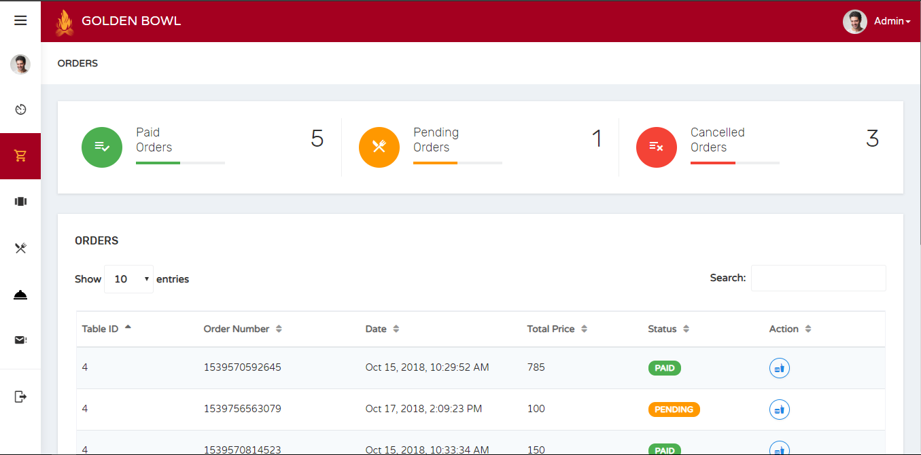 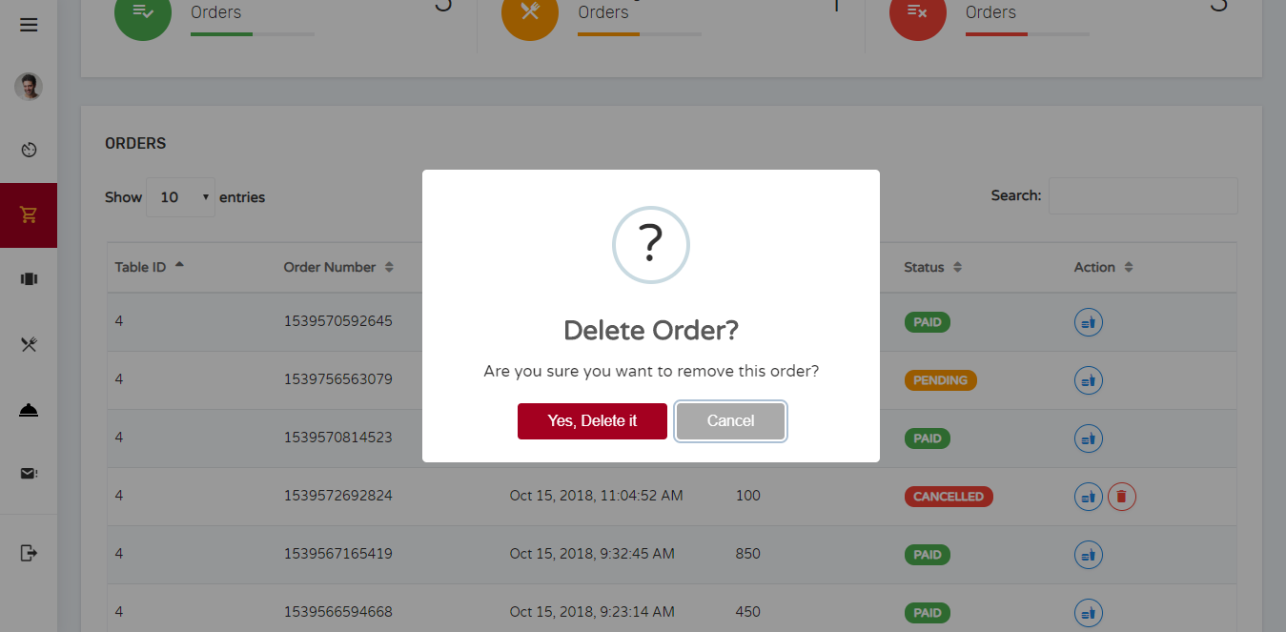 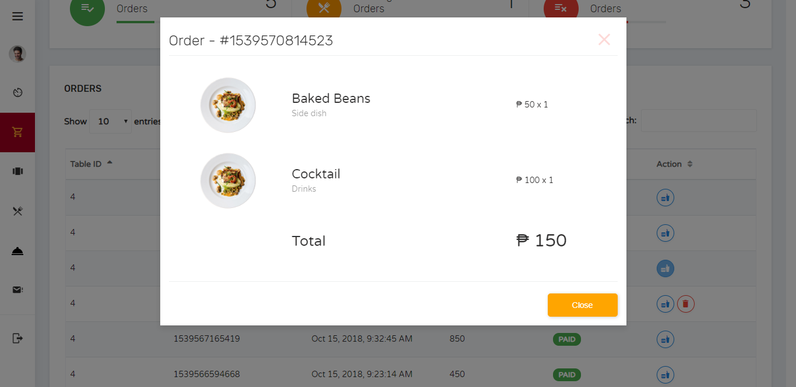 |  |  |  |  |  |  |  |  |  |  |  |  | The main purpose of this page is to display the orders of users. This also displays the menu items that an order has. Admin also has an option to delete an order that is CANCELLED.

 |  |  |  |  |  |  |  |  |  |  |  |  |  | Flow

 |  |  |  |  |  |  |  |  |  |  |  |  |  | There is a sidebar where the admin can jump into multiple pages that he/she would like to.

Screen Details

 | Item | Screen Item |  | Attribute | Mandatory |  | Range of Values | Format |  | Length | Default | Alignment | Remarks
 | 1 | txtOrderDelete |  | TextField - Type: hidden | ○ |  | numeric values | N/A |  | 1 ~ 50 | NULL | Left | This input field is hidden to be submitted when deleting order

